PV
Notes:
1. For Brazil the solar capacity factor was computed based on figure 20, we assumed the average of municipalities solar capacity factor;
2. The capacity factor is hold constant over time.

page 184
Figure 120 - Installed Capacity by Solar Radiation Data and Respective Capacity Factor (FC) by Municipalities
 | Municipalities | CF (%)
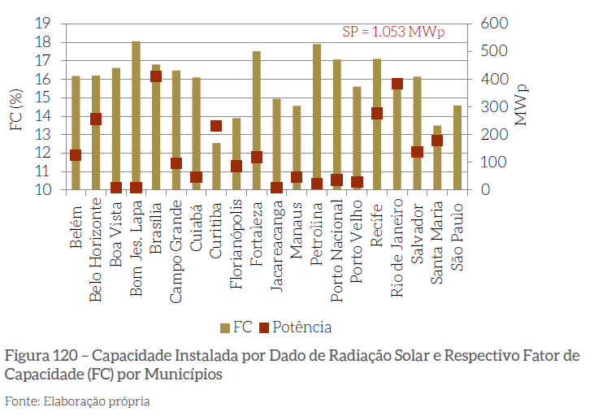
 | Belém | 16
 | Belo Horizonte | 16
 | Boa vista | 16.5
 | Bom Jesus da Lapa | 18
 | Brasilia | 17
 | Campo Grande | 16.5
 | Cuiaba | 16
 | Curitiba | 10
 | Florianopolis | 17.5
 | jacareacanga | 15
 | Manaus | 13
 | Petrolina | 18
 | Porto Velho | 17
 | Recife | 17
 | Rio de Janeiro | 16
 | Salvador | 16
 | Santa Maria | 12
 | São Paulo | 14
 | average | 0.15638888889

